Figure 1
Figure 1. Percentage of Large Private Firms and State Employers Offering Retiree Health Benefits to Active Workers, 1988-2013

 | Large private sector firms | State government employers
1988 | 66.0%
1989 | 59.3%
1990 | 52.7%
1991 | 46.0%
1992 | 41.0%
1993 | 36.0%
1994 | 38.0%
1995 | 40.0%
1996 | 40.0%
1997 | 40.0% | 76.3%
1998 | 40.0% | 77.3%
1999 | 40.0% | 84.6%
2000 | 34.0% | 87.1%
2001 | 37.0% | 92.4%
2002 | 35.0% | 92.0%
2003 | 36.0% | 94.9%
2004 | 35.0% | 94.1%
2005 | 32.0% | 95.5%
2006 | 34.0% | 93.1%
2007 | 32.0% | 88.9%
2008 | 29.0% | 84.7%
2009 | 28.0% | 71.7%
2010 | 26.0% | 70.0%
2011 | 26.0% | 69.0%

Note: Large firms are defined as those with 200 or more workers.
Source: McArdle, Neuman, and Huang (2014).
*When using these data, please cite the Center for Retirement Research at Boston College.

Year | Large private sector firms | State government employers
1988 | 66.0%
1989 | 59.3%
1990 | 52.7%
1991 | 46.0%
1992 | 41.0%
1993 | 36.0%
1994 | 38.0%
1995 | 40.0%
1996 | 40.0%
1997 | 40.0% | 76.3%
1998 | 40.0% | 77.3%
1999 | 40.0% | 84.6%
2000 | 34.0% | 87.1%
2001 | 37.0% | 92.4%
2002 | 35.0% | 92.0%
2003 | 36.0% | 94.9%
2004 | 35.0% | 94.1%
2005 | 32.0% | 95.5%
2006 | 34.0% | 93.1%
2007 | 32.0% | 88.9%
2008 | 29.0% | 84.7%
2009 | 28.0% | 71.7%
2010 | 26.0% | 70.0%
2011 | 26.0% | 69.0%

Figure 2
Figure 2. Percentage of State, Local, and School District Payroll Covered by Sample, 2012

Source: Authors' calculations based on U.S. Census of Governments (2012).
*When using these data, please cite the Center for Retirement Research at Boston College.

States | 100.0%
Counties | 45.8%
Cities | 42.8%
School districts | 26.0%
Total | 53.5%

Figure 3
Figure 3. Workers Covered by State-administered OPEB Plans, 2013

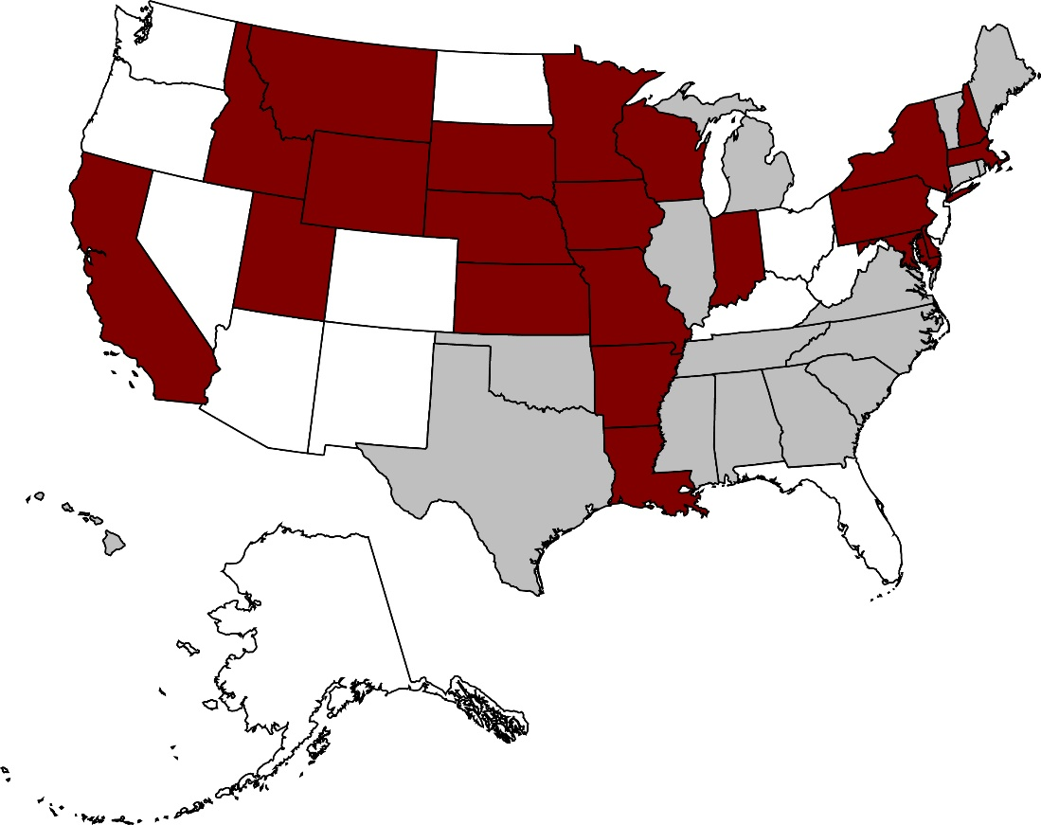

State and teachers
State only
State, teachers, and local

Source: Authors’ calculations based on city and school district CAFRs and OPEB plan actuarial valuations.
*When using these data, please cite the Center for Retirement Research at Boston College.

Figure 4
Figure 4. Total State and Local Unfunded OPEB Liabilities, Billions of Dollars

Note: Some components do not add to totals due to rounding.
Source: Authors’ calculations based on U.S. Census Bureau (2012), various CAFRs, and OPEB actuarial valuations.
*When using these data, please cite the Center for Retirement Research at Boston College.

 | CRR sample
 | CRR sample – state administered | CRR sample – locally administered | Excluded entities
States | $324,808,530 | $0 | $0
Counties | $32,623,467 | $62,331,950 | $45,598,016
Cities | $16,457,588 | $128,390,461 | $114,385,318
School districts | $78,524,037 | $9,770,382 | $49,410,537
Total | $452,413,622 | $200,492,792 | $209,393,872

Figure 5
Figure 5. Comparison of Unfunded Pension and OPEB Liabilities, in Billions

Sources: Authors’ calculations based on U.S. Census Bureau (2012); various CAFRs, OPEB actuarial valuations; and Munnell and Aubry (2015).
*When using these data, please cite the Center for Retirement Research at Boston College.

CRR sample | CRR sample + excluded entities
21% | 28%

Figure 6
Figure 6. Annual Growth in Medical Care Component of CPI-W

Source: U.S. Bureau of Labor Statistics, CPI-W (2015).
*When using these data, please cite the Center for Retirement Research at Boston College.

Year | Cola Months Growth

1983 | 8.00%
1984 | 6.22%
1985 | 6.42%
1986 | 7.54%
1987 | 6.77%
1988 | 6.72%
1989 | 7.75%
1990 | 8.87%
1991 | 8.29%
1992 | 7.28%
1993 | 5.86%
1994 | 4.51%
1995 | 4.49%
1996 | 3.42%
1997 | 2.63%
1998 | 3.50%
1999 | 3.38%
2000 | 4.22%
2001 | 4.44%
2002 | 4.80%
2003 | 3.94%
2004 | 4.56%
2005 | 4.08%
2006 | 4.16%
2007 | 4.55%
2008 | 3.42%
2009 | 3.44%
2010 | 3.52%
2011 | 3.17%
2012 | 4.33%
2013 | 2.29%
2014 | 2.12%
2015 | 2.42%

