Figure 1
Figure 1. Average Saving of Danish Workers in Top Income Tax Bracket, Before and After Tax Subsidy Reduction, Thousands of Danish Kroner

Note: Automatic saving is employer pension contributions. Other saving is individual pension contributions and non-pension saving. The data are for job changers who saw employer contributions increase by at least 3 percent of earnings.
Source: Chetty et al. (2013).

 | Non-pension saving | Pension saving | Total
Before subsidy reduction | 15.1 | 6.6 | 21.7
After subsidy reduction | 16.3 | 5.3 | 21.6

Figure 2
Figure 2. Saving Rate Before and After Job Change to Firm with Higher Employer Pension Contribution, Percentage of Salary

Note: Automatic saving is employer pension contributions. Other saving is individual pension contributions and non-pension saving. The data are for job changers who saw employer contributions increase by at least 3 percent of earnings.
Source: Chetty et al. (2013).

 | Other saving | Automatic saving | Total
Before job change | 6.1% | 2.9% | 9.0%
After job change | 4.9% | 8.5% | 13.4%

Figure 3
Figure 3. State Retirement Security Activity, as of June 2016

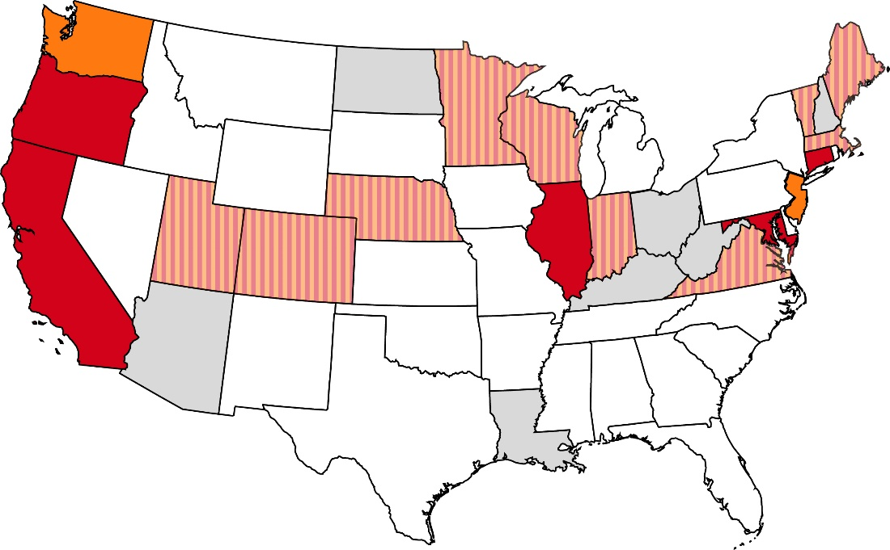

Failed legislative initiative
No activity
Active legislative initiative
Auto-IRA enacted
Marketplace enacted

Source: Updated from Munnell, Belbase, and Sanzenbacher (2016).

