Box 2 Figure
Box Figure. Percentage of Private Sector Wage and Salary Workers, Ages 25-64, Participating in a Plan from Various Surveys, 1991-2013

 | CPS | SIPP | SCF | PSID
1991 | 46.68% | 48.74%
1992 | 46.71% | 47.24% | 44.49%
1993 | 46.45% | 45.74% | 45.58%
1994 | 48.58% | 45.10% | 46.32%
1995 | 48.87% | 44.46% | 47.78%
1996 | 50.01% | 45.16% | 46.18%
1997 | 49.76% | 45.62% | 45.12%
1998 | 51.82% | 46.55% | 42.99%
1999 | 51.99% | 47.27% | 44.38% | 43.43%
2000 | 51.68% | 48.41% | 45.30% | 44.69%
2001 | 50.30% | 49.44% | 47.14% | 45.95%
2002 | 48.51% | 49.99% | 46.25% | 44.50%
2003 | 48.91% | 50.13% | 45.66% | 43.05%
2004 | 48.67% | 48.20% | 44.48% | 41.58%
2005 | 47.41% | 46.91% | 45.11% | 40.10%
2006 | 45.73% | 44.34% | 45.52% | 40.82%
2007 | 47.57% | 44.72% | 46.36% | 41.54%
2008 | 45.81% | 44.98% | 46.51% | 40.37%
2009 | 44.47% | 45.49% | 46.62% | 39.20%
2010 | 44.77% | 46.27% | 46.83% | 41.44%
2011 | 44.32% | 46.78% | 47.50% | 43.68%
2012 | 44.36% | 47.82% | 47.95% | 43.67%
2013 | 43.57% |  | 48.84% | 43.67%

Source: Authors’ calculations from the various surveys.
* When using these data, please cite the Center for Retirement Research at Boston College.

Year | CPS | SCF | SIPP | PSID
1991 | 46.68% |  | 48.74%
1992 | 46.71% | 44.49% | 47.24%
1993 | 46.45% | 45.58% | 45.74%
1994 | 48.58% | 46.32% | 45.10%
1995 | 48.87% | 47.78% | 44.46%
1996 | 50.01% | 46.18% | 45.16%
1997 | 49.76% | 45.12% | 45.62%
1998 | 51.82% | 42.99% | 46.55%
1999 | 51.99% | 44.38% | 47.27% | 43.43%
2000 | 51.68% | 45.30% | 48.41% | 44.69%
2001 | 50.30% | 47.14% | 49.44% | 45.95%
2002 | 48.51% | 46.25% | 49.99% | 44.50%
2003 | 48.91% | 45.66% | 50.13% | 43.05%
2004 | 48.67% | 44.48% | 48.20% | 41.58%
2005 | 47.41% | 45.11% | 46.91% | 40.10%
2006 | 45.73% | 45.52% | 44.34% | 40.82%
2007 | 47.57% | 46.36% | 44.72% | 41.54%
2008 | 45.81% | 46.51% | 44.98% | 40.37%
2009 | 44.47% | 46.62% | 45.49% | 39.20%
2010 | 44.77% | 46.83% | 46.27% | 41.44%
2011 | 44.32% | 47.50% | 46.78% | 43.68%
2012 | 44.36% | 47.95% | 47.82% | 43.67%
2013 | 43.57% | 48.84% |  | 43.67%

Figure 1
Figure 1. Workers with Plan Coverage by Type of Plan, 1983, 1998, and 2016

Sources: Authors’ calculations based on U.S. Board of Governors of the Federal Reserve System, Survey of Consumer Finances (1983, 1998, and 2016).
* When using these data, please cite the Center for Retirement Research at Boston College.

Year | Defined benefit only | Defined contribution - 401(k) plans - only | Both
1983 | 62% | 12% | 26%
1998 | 24% | 60% | 16%
2016 | 17% | 73% | 10%

Figure 2
Figure 2. Wealth of Typical Household with Head Ages 55-64, 2016

Notes: Amounts are for the mean of the middle 10 percent based on net worth. Data are not conditional of having the asset.
Source: U.S. Board of Governors of the Federal Reserve System, Survey of Consumer Finances (2016).
* When using these data, please cite the Center for Retirement Research at Boston College.

Social Security | $301,300
Defined benefit | $153,700
Primary house | $93,659
Defined contribution | $40,417
Financial assets | $16,797
Other assets | $16,212

Figure 3
Figure 3. Percentage of Workers Who Change Jobs Each Year by Age Group, 2008-2013

Source: Authors’ calculations from U.S. Census Bureau, Survey of Income and Program Participation (2008 panel).
* When using these data, please cite the Center for Retirement Research at Boston College.

Age group | New job
< 25 | 34.81
25-34 | 24.11
35-44 | 19.85
45-54 | 18.11
55-64 | 13.59
65+ | 11.52

Figure 4
Figure 4. Total U.S. Private Retirement Assets, by Type of Plan, 2016

Source: U.S. Board of Governors of the Federal Reserve System, Financial Accounts of the United States (2017).
* When using these data, please cite the Center for Retirement Research at Boston College.

 | Amount (trillions)
DB plans | $3.2
DC plans | $5.5
IRAs | $7.9

Figure 5
Figure 5. Distribution of Participants in Defined Contribution Plans by Average Fees as Share of Assets, 2013

Sources: Authors’ estimates from U.S. Department of Labor, Form 5500 Private Pension Plan Bulletin (2013) and BrightScope and Investment Company Institute (2014).
* When using these data, please cite the Center for Retirement Research at Boston College.

 | Percentage of participants
1.0%-3.0% | 6.98%
0.5%-1.0% | 72.47%
Less than 0.5% | 26.55%

Figure 6
Figure 6. Vanguard 401(k) Leakages as Percentage of Total 401(k) Assets by Type of Leakage, 2015

Source: Authors’ depiction based on Vanguard (2016).
* When using these data, please cite the Center for Retirement Research at Boston College.

Hardship | 0.196%
Post 59 | 0.235%
Loan | 0.200%
Cashed-out | 0.490%

Figure 7
Figure 7. Estimated Impact of Leakages on 401(k) and IRA Assets at Age 60

Note: The data show assets with and without leakages based on assumptions for a prototypical worker.
Source: Munnell and Webb (2015).
* When using these data, please cite the Center for Retirement Research at Boston College.

 | 401(k)s | IRAs
With leakages | $203,000 | $85,000
Without leakages | $272,000 | $110,000

Figure 8
Figure 8. Pension Sponsorship and Participation in the Private Sector, Ages 25-64, 1979-2014

Note: The Figure includes 2014 data, but 2013 data are emphasized in the report because of the inexplicable dip in 2014.
Source: Authors’ calculations from U.S. Bureau of the Census, Current Population Survey (1980-2015).
* When using these data, please cite the Center for Retirement Research at Boston College.

Year | Employer offers, public and private, full-time | Employer offers, private | Employer offers, private, full-time | Employee participates, private | Employee participates, private, full-time
1979 | 70.82% | 59.16% | 65.74% | 52.88% | 60.29%
1980 | 70.64% | 58.88% | 65.42% | 52.23% | 59.78%
1981 | 70.25% | 58.05% | 64.74% | 51.10% | 58.91%
1982 | 69.54% | 56.85% | 63.79% | 50.09% | 58.20%
1983 | 69.33% | 56.68% | 63.62% | 49.51% | 57.56%
1984 | 67.93% | 55.61% | 62.29% | 48.34% | 55.95%
1985 | 68.11% | 55.99% | 62.54% | 48.31% | 55.76%
1986 | 67.33% | 55.55% | 61.72% | 47.78% | 54.92%
1987 | 67.47% | 55.52% | 61.41% | 45.87% | 52.99%
1988 | 67.61% | 56.07% | 61.70% | 45.98% | 52.74%
1989 | 67.83% | 56.40% | 61.91% | 46.82% | 53.56%
1990 | 68.71% | 57.60% | 63.11% | 47.18% | 54.00%
1991 | 69.05% | 57.36% | 63.32% | 47.04% | 54.39%
1992 | 69.60% | 57.87% | 63.92% | 47.09% | 54.69%
1993 | 67.99% | 57.07% | 62.51% | 46.77% | 53.63%
1994 | 70.73% | 60.31% | 65.67% | 48.89% | 55.99%
1995 | 69.60% | 59.95% | 64.76% | 49.25% | 55.60%
1996 | 71.30% | 61.99% | 66.87% | 50.34% | 56.96%
1997 | 70.56% | 61.84% | 66.40% | 50.08% | 56.50%
1998 | 71.79% | 63.70% | 67.80% | 52.12% | 57.76%
1999 | 71.65% | 63.23% | 67.54% | 52.31% | 57.90%
2000 | 70.90% | 63.25% | 66.93% | 51.99% | 57.05%
2001 | 69.92% | 62.07% | 65.93% | 50.60% | 55.91%
2002 | 67.72% | 59.58% | 63.35% | 48.72% | 54.02%
2003 | 68.48% | 59.95% | 64.01% | 49.15% | 54.71%
2004 | 68.24% | 59.73% | 63.59% | 48.94% | 54.31%
2005 | 66.03% | 57.70% | 61.41% | 47.63% | 52.58%
2006 | 63.71% | 55.71% | 59.04% | 45.95% | 50.42%
2007 | 66.00% | 57.62% | 61.36% | 47.81% | 52.83%
2008 | 65.25% | 55.87% | 60.39% | 46.04% | 51.78%
2009 | 64.46% | 54.22% | 59.51% | 44.71% | 51.10%
2010 | 64.13% | 54.00% | 59.23% | 44.98% | 51.39%
2011 | 63.25% | 53.54% | 58.34% | 44.57% | 50.53%
2012 | 62.83% | 53.41% | 58.29% | 44.58% | 50.65%
2013 | 62.09% | 53.47% | 57.55% | 43.78% | 49.34%
2014 | 56.62% | 48.75% | 51.98% | 39.34% | 43.68%

Figure 9
Figure 9. Pension Participation for Workers Ages 25-64, by Earnings Quintile, 1979 and 2013

a. Male

b. Female

Source: Authors’ calculations from U.S. Bureau of the Census, Current Population Survey (1980, 2015).
* When using these data, please cite the Center for Retirement Research at Boston College.

 | Bottom | Second | Third | Fourth | Highest | All
Men
1979 | 14.17% | 20.53% | 38.44% | 63.58% | 77.01% | 60.72%
2013 | 9.40% | 21.60% | 41.26% | 53.65% | 65.56% | 45.01%
Women
1979 | 7.65% | 23.86% | 49.43% | 68.05% | 75.17% | 40.64%
2013 | 10.05% | 29.84% | 49.17% | 60.04% | 66.27% | 42.41%

Figure 10
Figure 10. Workers Whose Employer Does Not Sponsor a Pension Plan, 2014

Note: Figure shows full-time, full-year, civilian, non-farm private wage and salary earners ages 25-64.
Source: Authors’ calculations from U.S. Bureau of the Census, Current Population Survey (2015).
* When using these data, please cite the Center for Retirement Research at Boston College.

More than 100 employees | Fewer than 100 employees
43.6% | 56.4%

Figure 11
Figure 11. Players in the 401(k) Industry and Functions that They Perform

Plan
sponsors
Service
Record keepers
& TPAs
Investments
Investment
managers
Investments
Broker
dealers
Compliance
& trading
Plan advisors
Advice & guidance
Plan
participants
401(k) plans

Note: Each industry player provides services. The arrows indicate who receives specific services.
Source: Barstein (2012).
* When using these data, please cite the Center for Retirement Research at Boston College.

Figure 12
Figure 12. 401(k) Plan Cost as Percentage of Assets

$1
$10
$100
$1,000
$10,000
$100,000

Source: Alfred (2015).
* When using these data, please cite the Center for Retirement Research at Boston College.

Figure 13
Figure 13. Percentage of Households (Head Ages 63-73) with Assets from an Employer-Sponsored Plan, by Income Quintile, 2012

Source: Authors’ calculations from University of Michigan, Health and Retirement Study (1992-2012).
* When using these data, please cite the Center for Retirement Research at Boston College.

Income quintile | Percent
Lowest | 22.27%
Second | 56.72%
Third | 78.44%
Fourth | 82.95%
Highest | 82.09%
Total | 69.43%

Figure 14
Figure 14. Social Security Replacement Rates in 2016, by Earnings Level
 | Full Retirement Age | Age 62
 | 55.4 | 44.2
 | 41.1 | 32.7
 | 27.3 | 21.6

Note: Replacement rates are the ratio of benefits to the average of the highest 35 years of wage-indexed earnings for a hypothetical worker. The low earner is assumed to earn 45 percent of the medium earner, and the maximum earner is assumed to always earn the taxable maximum.
Source: Clingman et al. (2016).
* When using these data, please cite the Center for Retirement Research at Boston College.

Claim age | Low ( $21,459 ) | Medium ($47,687) | Maximum ($116,123)
Age 62 | 44.2 | 32.7 | 21.6
Full Retirement Age | 55.4 | 41.1 | 27.3

Figure 15
Figure 15. Median 401(k)/IRA Balances for Working Households Ages 55-64 with 401(k) Plans and Simulated Accumulations, 2016

Note: Simulation assumes a worker starting at age 25 in 1981 (about when 401(k)s started, but were not yet widespread) with median earnings, who contributed a steady 6.0 percent with an employer match of 3.0 percent. Assets are split 50/50 between stocks and bonds and are assumed to earn real stock and bond returns of 6.6 percent and 2.3 percent, respectively, and real wages are assumed to grow at 1.1 percent per year.
Sources: Authors’ calculations from U.S. Board of Governors of the Federal Reserve System, Survey of Consumer Finances (2016); and authors’ estimations.
* When using these data, please cite the Center for Retirement Research at Boston College.

Age of head of household | Simulated | Actual
55-64 | $364,000 | $135,000

Figure 16
Figure 16. Percentage of Households “At Risk” of Being Unable to Maintain Living Standards in Retirement, 2013

Note: “At risk” is defined as a household that has an estimated retirement income replacement rate that is more than 10 percent short of its target rate.
Source: Munnell, Hou, and Webb (2014).
* When using these data, please cite the Center for Retirement Research at Boston College.

Low | 60%
Middle | 52%
High | 43%
All | 52%

Figure 17
Figure 17. Share of Uncovered Workers by Reason Uncovered, 2014

Sources: Authors’ analysis from U.S. Census Bureau, Current Population Survey (2015) (for pie chart on the left) and U.S. Census Bureau, Survey of Income and Program Participation (1996, 2004, and 2008 panels) (for pie chart on the right).
* When using these data, please cite the Center for Retirement Research at Boston College.

Self-employed | 14.0%
Plan at work, not included | 22.0%
No plan at work | 65.0%

Low tenure | 26%
Part-time | 23%
Job type | 9%
Too old/ too young | 3%
Eligible non-participant | 40%

Figure 18
Figure 18. Reasons Cited by Small Employers as the Most Important for Not Offering a Retirement Plan, 2017

Source: The Pew Charitable Trusts (2017).
* When using these data, please cite the Center for Retirement Research at Boston College.

Cost to set up | 37%
Resources to administer | 22%
Lack of employee interest | 17%
Never considered | 7%
Organization is too new | 5%
Choosing a plan provider | 1%
Other | 11%

Figure 19
Figure 19. Retirement Plan with 100 or More Participants by Type, 2014

Note: Participants include active workers, separated workers, retired workers who are not receiving benefits, and plan beneficiaries.
Source: Authors’ calculations from U.S. Department of Labor, Form 5500 Database (2014).
* When using these data, please cite the Center for Retirement Research at Boston College.

Single employer plans | Multiemployer plans | Multiple employer plans (MEPs)
80,653 | 2,392 | 2,159

Figure 20
Figure 20. State Retirement Security Activity, as of June 2016

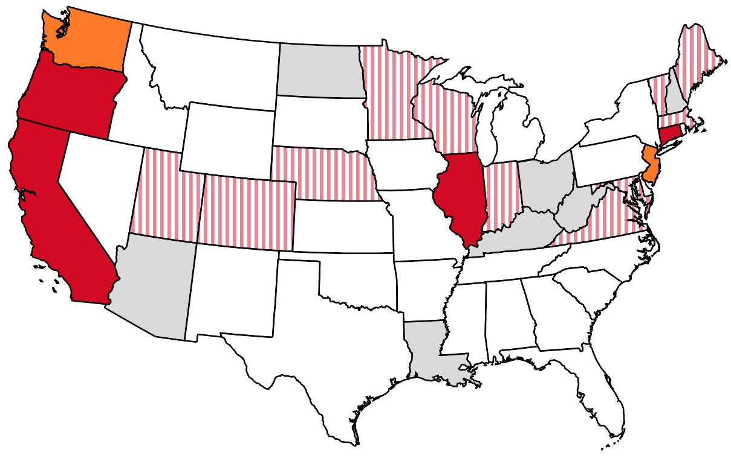

Failed legislative initiative
No activity
Active legislative initiative
Auto-IRA enacted
Marketplace enacted

Source: Authors’ analysis.
* When using these data, please cite the Center for Retirement Research at Boston College.

Figure 21
Figure 21. Percentage of Workers by IRA-Contribution Status in Tax Year 2014

Source: Investment Company Institute (2016).
* When using these data, please cite the Center for Retirement Research at Boston College.

Owned IRA but did not contribute | 18%
Contributed to IRA | 14%
Did not own IRA | 68%

Figure 22
Figure 22. Percentage of All Workers in Alternative Employment Arrangements by Type

Source: Katz and Krueger (2015).
* When using these data, please cite the Center for Retirement Research at Boston College.

 | 1995 | 2005 | 2015 estimate
Workers provided by contract firms | 0.5% | 0.6% | 3.1%
Temporary help agency workers | 1.0% | 0.9% | 1.6%
On-call workers (excl. day laborers) | 1.6% | 1.7% | 2.6%
Independent contractors | 6.4% | 6.9% | 8.4%

