Figure 1
Figure 1. National Aggregate Clawback Payments per Dual-Eligible, 2006(07)-2012

 | Historical clawback payments | Clawback payments based on actual dual-eligible drug spending
2006 | $747.11
2007 | $1,034.61 | $1,166.11
2008 | $1,012.66 | $1,219.29
2009 | $882.42 | $948.03
2010 | $822.36 | $938.47
2011 | $966.63 | $1,264.97
2012 | $1,106.29 | $1,300.27

Sources: Authors’ calculations from the Medicare-Medicaid Linked Enrollee Analytic Data Source (2006-2012); and the National Association of State Budget Officers (2006-2012).
* When using these data, please cite the Center for Retirement Research at Boston College.

Year | Historical clawback payments | Clawback payments based on actual dual-eligible drug spending
2006 | $747.11
2007 | $1,034.61 | $1,166.11
2008 | $1,012.66 | $1,219.29
2009 | $882.42 | $948.03
2010 | $822.36 | $938.47
2011 | $966.63 | $1,264.97
2012 | $1,106.29 | $1,300.27

Figure 2
Figure 2. Cumulative Growth in Prescription Drug Spending per Dual-Eligible, 2003-2012

Sources: Authors’ calculations from Centers for Medicare and Medicaid Services (2016); Kaiser (2005); the Medicare-Medicaid Linked Enrollee Analytic Data Source (2006-2012); and the National Health Expenditure Accounts (2006-2012).
* When using these data, please cite the Center for Retirement Research at Boston College.

Year | Actual growth | Clawback formula estimated growth
2003-2006 | 30.1843% | 23.2800%
2003-2009 | 48.2400% | 46.6816%
2003-2011 | 57.6285% | 54.8577%
2003-2012 | 54.9645% | 58.2027%

Figure 3
Figure 3. Underpayment of Clawback Due to Price Rigidities in the Legislated Formula, by State, 2012
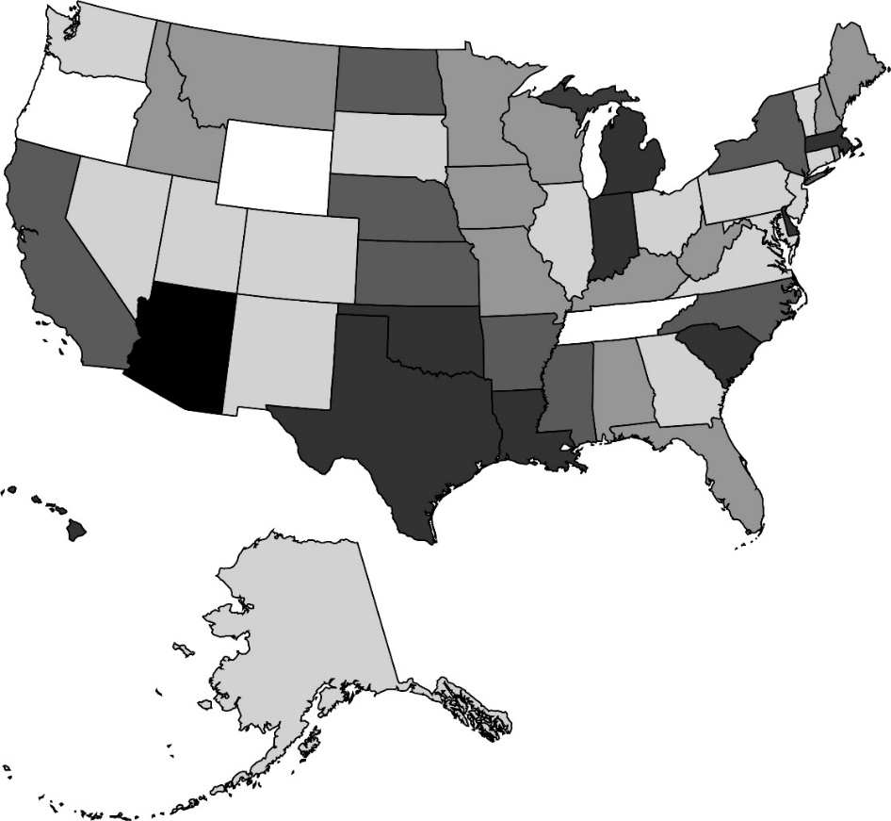

-35% through -26%
-38%
-25% through -18%
-15% through -6%
-5% through 4%
6% through 8%

Note: Negative numbers denote underpayment, and positive numbers denote overpayment. All percentages are relative to a counterfactual clawback payment that is calculated by the authors based on the state’s actual prescription drug spending per dual-eligible in the year prior.
Sources: Authors’ calculations from the Medicare-Medicaid Linked Enrollee Analytic Data Source (2006-2012); and the National Association of State Budget Officers (2006-2012).
* When using these data, please cite the Center for Retirement Research at Boston College.

Figure 4
Figure 4. Growth in Drug Spending per Dual-Eligible, by Underpayment Due to Price Rigidities in the Formula, 2003-2012

Sources: Authors’ calculations from Centers for Medicare and Medicaid Services (2016); the Medicare-Medicaid Linked Enrollee Analytic Data Source (2006-2012); and the National Health Expenditure Accounts (2006-2012).
* When using these data, please cite the Center for Retirement Research at Boston College.

Category | Growth in RX per capita (or per dual eligible), total growth
5 states with most underpayment in 2012 | 92.1%
Clawback formula estimate | 54.9%
5 states with least underpayment in 2012 | 34.3%

Figure 5
Figure 5. Mean Percent Underpayment, by Position in the Distribution of Per Capita Personal Income and GDP, 2007-2012

Note: A state’s position in the distribution is determined each year, while percent underpayment by quintile is averaged across all years.
Sources: Authors’ calculations from the Bureau of Economic Analysis (2007-2012); the Medicare-Medicaid Linked Enrollee Analytic Data Source (2006-2012); and the National Association of State Budget Officers (2006-2012).
* When using these data, please cite the Center for Retirement Research at Boston College.

Quintile | Per capita personal income | Per capita GDP
1 | -16.07% | -16.49%
2 | -13.46% | -12.74%
3 | -15.40% | -12.76%
4 | -15.32% | -16.11%
5 | -9.49% | -11.65%

Figure 6
Figure 6. Effect of Doubling 2003 Drug Expenditures per Dual-Eligible on the Percent of Dual-Eligibles Enrolled in Medicaid, 2000-2018

Note: Figure depicts the coefficients from a state-level regression of percent dual-eligibles enrolled in Medicaid on the log of 2003 prescription drug spending per dual-eligible. Standard errors are clustered by state.
Sources: Authors’ estimates from Kaiser Commission on Medicaid and the Uninsured (2005); and the Current Population Survey (2000-2018).
* When using these data, please cite the Center for Retirement Research at Boston College.

Year | Coefficient | 95% confidence interval
2000 | -29.80254 | -72.87927 | 13.27419
2001 | 9.25495 | -33.55652 | 52.06643
2002 | -7.9251 | -37.38571 | 21.53551
2003 | -36.71656 | -64.60822 | -8.82489
2004 | 5.37717 | -43.22539 | 53.97973
2005 | 0 | 0 | 0
2006 | -5.30212 | -53.95169 | 43.34745
2007 | -29.71909 | -80.28097 | 20.84278
2008 | -25.84253 | -69.94779 | 18.26273
2009 | -48.83678 | -95.57485 | -2.09871
2010 | -31.71958 | -83.56758 | 20.12841
2011 | -68.32488 | -120.4457 | -16.2041
2012 | -28.7024 | -71.87007 | 14.46526
2013 | -11.03614 | -51.8668 | 29.79452
2014 | -33.30626 | -78.99919 | 12.38667
2015 | -13.84141 | -60.16373 | 32.48092
2016 | -21.98125 | -88.73683 | 44.77433
2017 | -58.21425 | -102.3912 | -14.0373
2018 | -55.76602 | -95.2305 | -16.30154

