Figure 1
Figure 1. Share of Low-Income Individuals Ages 65 and Older in Medicaid in 2005, by State

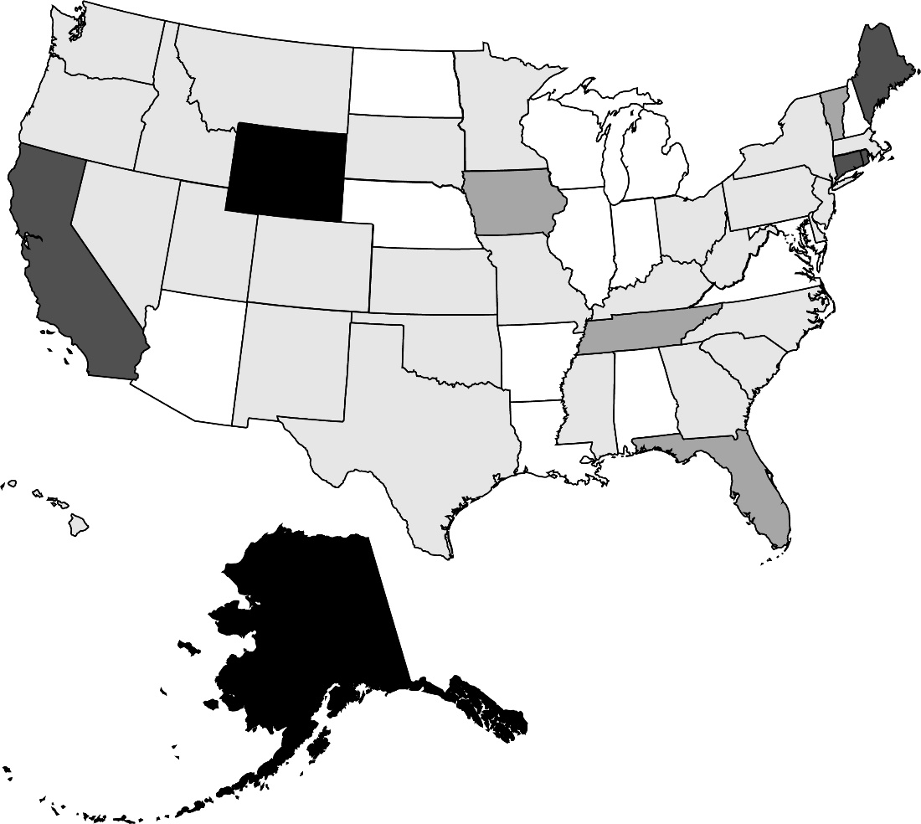

145-175%
56-85%
25-55%
86-115%
116-145%

Source: Authors’ estimates from the U.S. Census Bureau, Current Population Survey (CPS) (2005).
* When using these data, please cite the Center for Retirement Research at Boston College.

Figure 2
Figure 2. Monthly Drug Spending per Dual-Eligible in 2003, by State

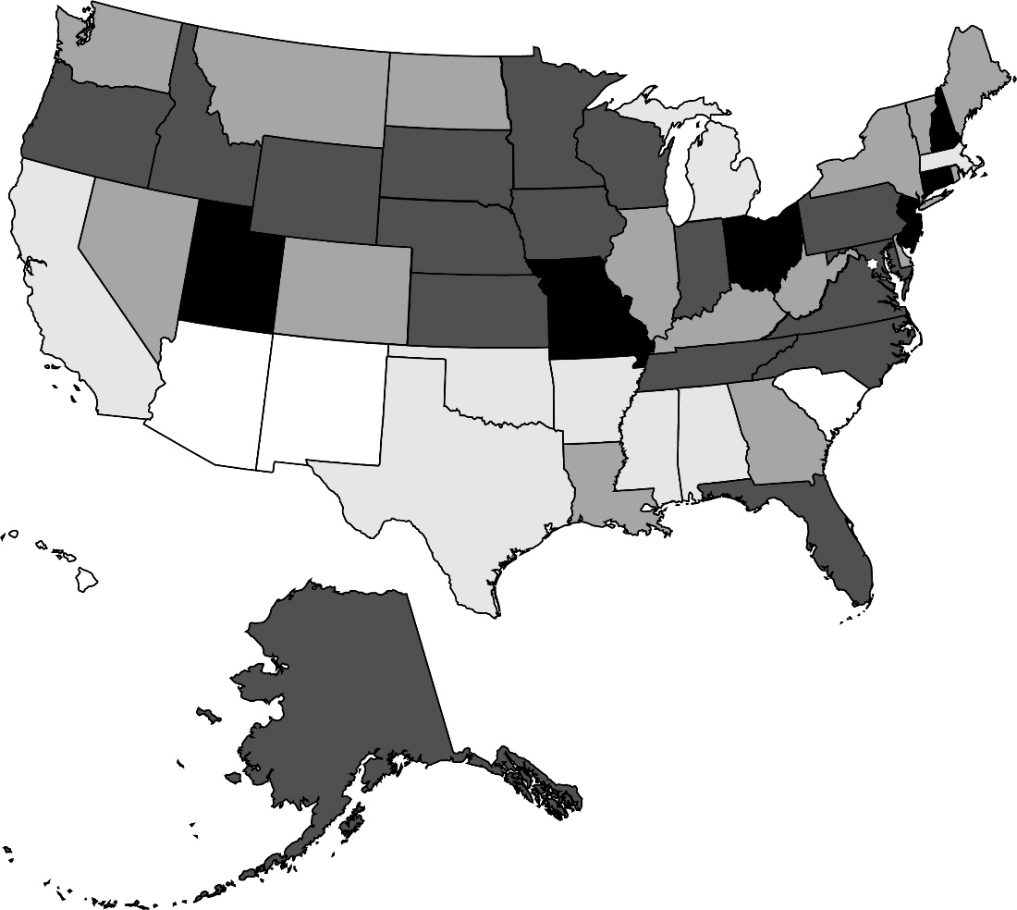

$241-270
$151-180
$121-150
$181-210
$211-240

Source: Kaiser Family Foundation (2005).
* When using these data, please cite the Center for Retirement Research at Boston College.

Figure 3
Figure 3. Effect of a 10-Percent Increase in 2003 Drug Spending per Dual-Eligible on the Fraction of Elderly Dual-Eligibles in Medicaid After Part D

Notes: These estimates are statistically significant at the 5-percent level.
Sources: Authors’ estimates from the CPS (2000-2018); and the Kaiser Commission on Medicaid and the Uninsured (2005).
* When using these data, please cite the Center for Retirement Research at Boston College.

Without controls | -2.3%
With controls | -2.2%

